IR DIST
sl No | DIST in cm | ADC Value | DIST in cm | ADC Value | chart
1 | 1 | 1060 | 0.5 | 1090 | 828.9631
2 | 2 | 850 | 1 | 1115 | 961.3124
3 | 3 | 1800 | 1.5 | 1000 | 1089.6279
4 | 4 | 1450 | 2 | 950 | 1213.9096
5 | 5 | 1530 | 2.5 | 1735 | 1334.1575
6 | 6 | 1660 | 3 | 1991 | 1450.3716
7 | 7 | 1850 | 3.5 | 1550 | 1562.5519
8 | 8 | 1950 | 4 | 1527 | 1670.6984
9 | 9 | 2060 | 4.5 | 1914 | 1774.8111
10 | 10 | 2550 | 5 | 1661 | 1874.89
11 | 11 | 2860 | 5.5 | 1719 | 1970.9351
12 | 12 | 3040 | 6 | 1709 | 2062.9464
13 | 13 | 3120 | 6.5 | 1830 | 2150.9239
14 | 14 | 3150 | 7 | 1911 | 2234.8676
15 | 15 | 3120 | 7.5 | 2007 | 2314.7775
16 | 16 | 3080 | 8 | 2112 | 2390.6536
17 | 17 | 3020 | 8.5 | 2192 | 2462.4959
18 | 18 | 2930 | 9 | 2389 | 2530.3044
19 | 19 | 2830 | 9.5 | 2481 | 2594.0791
20 | 20 | 2503 | 10 | 2706 | 2653.82
IR DIST
21 | 21 | 2450 | 10.5 | 2895 | 2709.5271
22 | 22 | 2360 | 11 | 2944 | 2761.2004
23 | 23 | 2300 | 11.5 | 3120 | 2808.8399
24 | 24 | 2240 | 12 | 3115 | 2852.4456
25 | 25 | 2170 | 12.5 | 3141 | 2892.0175
26 | 26 | 2110 | 13 | 3194 | 2927.5556
27 | 27 | 2055 | 13.5 | 3150 | 2959.0599
28 | 28 | 2000 | 14 | 3169 | 2986.5304
29 | 29 | 1940 | 14.5 | 3175 | 3009.9671
30 | 30 | 1890 | 15 | 3150 | 3029.37
31 | 31 | 1830 | 15.5 | 3094 | 3044.7391
32 | 32 | 1760 | 16 | 3109 | 3056.0744
33 | 33 | 1714 | 16.5 | 3062 | 3063.3759
34 | 34 | 1670 | 17 | 3025 | 3066.6436
35 | 35 | 1640 | 17.5 | 3005 | 3065.8775
36 | 36 | 1600 | 18 | 2994 | 3061.0776
37 | 37 | 1530 | 18.5 | 2946 | 3052.2439
38 | 38 | 1500 | 19 | 2912 | 3039.3764
39 | 39 | 1460 | 19.5 | 2882 | 3022.4751
40 | 40 | 1440 | 20 | 2861 | 3001.54
 | 41 | 1400
 | 42 | 1370
 | 43 | 1350
 | 44 | 1320
 | 45 | 1280
 | 46 | 1250
 | 47 | 1230
 | 48 | 1200
 | 49 | 1180
 | 50 | 1150
 | 51 | 1130
 | 52 | 1110
 | 53 | 1090
 | 54 | 1060
 | 55 | 1040
 | 56 | 1030
 | 57 | 1010
 | 58 | 990
 | 59 | 960
 | 60 | 940
 | 61 | 920
 | 62 | 890
 | 63 | 870
 | 64 | 870
 | 65 | 850
 | 66 | 840
 | 67 | 820
 | 68 | 800
 | 69 | 800
 | 70 | 770
 | 71 | 770
 | 72 | 750
 | 73 | 750
 | 74 | 730
 | 75 | 730
 | 76 | 720
 | 77 | 710
 | 78 | 705
 | 79 | 700
 | 80 | 695
 | 81 | 680
 | 82 | 670
 | 83 | 650
 | 84 | 650
 | 85 | 650
 | 86 | 630
 | 87 | 620
 | 88 | 620
 | 89 | 610
 | 90 | 600
 | 91 | 590
 | 92 | 585
 | 93 | 580
 | 94 | 575
 | 95 | 570
 | 96 | 565
 | 97 | 560
 | 98 | 555
 | 99 | 550
 | 100 | 545
 | 101 | 540
 | 102 | 530
 | 103 | 535
 | 104 | 500
 | 105 | 500
 | 106 | 500
 | 107 | 500
 | 108 | 500
 | 109 | 500
 | 110 | 500

Sheet2
ADC Value | DIST in cm |  | ADC Value | DIST in cm
1090 | 0.5 | 0.7577 | 1060 | 1
1115 | 1 | 0.9352 | 850 | 2
1000 | 1.5 | 0.1187 | 1800 | 3
950 | 2 | -0.2363 | 1450 | 4
1735 | 2.5 | 5.3372 | 1530 | 5
1991 | 3 | 7.1548 | 1660 | 6
1550 | 3.5 | 4.0237 | 1850 | 7
1527 | 4 | 3.8604 | 1950 | 8
1914 | 4.5 | 6.6081 | 2060 | 9
1661 | 5 | 4.8118 | 2550 | 10
1719 | 5.5 | 5.2236 | 2860 | 11
1709 | 6 | 5.1526 | 3040 | 12
1830 | 6.5 | 6.0117 | 3120 | 13
1911 | 7 | 6.5868 | 3150 | 14
2007 | 7.5 | 7.2684 | 3120 | 15
2112 | 8 | 8.0139 | 3080 | 16
2192 | 8.5 | 8.5819 | 3020 | 17
2389 | 9 | 9.9806 | 2930 | 18
2481 | 9.5 | 10.6338 | 2830 | 19
2706 | 10 | 12.2313 | 2503 | 20
2895 | 10.5 | 13.5732 | 2450 | 21
2944 | 11 | 13.9211 | 2360 | 22
3120 | 11.5 | 15.1707 | 2300 | 23
3115 | 12 | 15.1352 | 2240 | 24
3141 | 12.5 | 15.3198 | 2170 | 25
3194 | 13 | 15.6961 | 2110 | 26
3150 | 13.5 | 15.3837 | 2055 | 27
3169 | 14 | 15.5186 | 2000 | 28
3175 | 14.5 | 15.5612 | 1940 | 29
3150 | 15 | 15.3837 | 1890 | 30
3094 | 15.5 | 14.9861 | 1830 | 31
3109 | 16 | 15.0926 | 1760 | 32
3062 | 16.5 | 14.7589 | 1714 | 33
3025 | 17 | 14.4962 | 1670 | 34
3005 | 17.5 | 14.3542 | 1640 | 35
2994 | 18 | 14.2761 | 1600 | 36
2946 | 18.5 | 13.9353 | 1530 | 37
2912 | 19 | 13.6939 | 1500 | 38
2882 | 19.5 | 13.4809 | 1460 | 39
2861 | 20 | 13.3318 | 1440 | 40
 |  |  | 1400 | 41
 |  |  | 1370 | 42
 |  |  | 1350 | 43
 |  |  | 1320 | 44
 |  |  | 1280 | 45
 |  |  | 1250 | 46
 |  |  | 1230 | 47
 |  |  | 1200 | 48
 |  |  | 1180 | 49
 |  |  | 1150 | 50
 |  |  | 1130 | 51
 |  |  | 1110 | 52
 |  |  | 1090 | 53
 |  |  | 1060 | 54
 |  |  | 1040 | 55
 |  |  | 1030 | 56
 |  |  | 1010 | 57
 |  |  | 990 | 58
 |  |  | 960 | 59
 |  |  | 940 | 60
 |  |  | 920 | 61
 |  |  | 890 | 62
 |  |  | 870 | 63
 |  |  | 870 | 64
 |  |  | 850 | 65
 |  |  | 840 | 66
 |  |  | 820 | 67
 |  |  | 800 | 68
 |  |  | 800 | 69
 |  |  | 770 | 70
 |  |  | 770 | 71
 |  |  | 750 | 72
 |  |  | 750 | 73
 |  |  | 730 | 74
 |  |  | 730 | 75
 |  |  | 720 | 76
 |  |  | 710 | 77
 |  |  | 705 | 78
 |  |  | 700 | 79
 |  |  | 695 | 80
 |  |  | 680 | 81
 |  |  | 670 | 82
 |  |  | 650 | 83
 |  |  | 650 | 84
 |  |  | 650 | 85
 |  |  | 630 | 86
 |  |  | 620 | 87
 |  |  | 620 | 88
 |  |  | 610 | 89
 |  |  | 600 | 90
 |  |  | 590 | 91
 |  |  | 585 | 92
 |  |  | 580 | 93
 |  |  | 575 | 94
 |  |  | 570 | 95
 |  |  | 565 | 96
 |  |  | 560 | 97
 |  |  | 555 | 98
 |  |  | 550 | 99
 |  |  | 545 | 100
 |  |  | 540 | 101
 |  |  | 530 | 102
 |  |  | 535 | 103
 |  |  | 500 | 104
 |  |  | 500 | 105
 |  |  | 500 | 106
 |  |  | 500 | 107
 |  |  | 500 | 108
 |  |  | 500 | 109
 |  |  | 500 | 110

CONVEYOR BELT
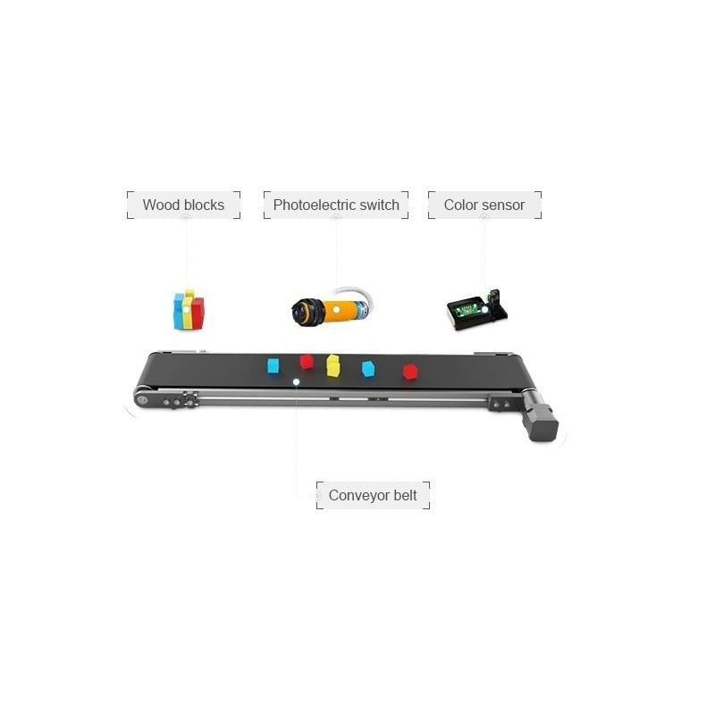
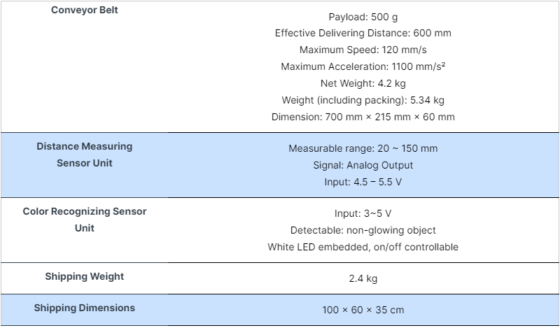
 | ROBU CONVEYOR BELT
https://robu.in/product/dobot-conveyor-belt-kit/

